Pavement
Pavement Design
Average Annual Pavement Temperature °C | 25 °C |  |  |  |  | Plate6 |  | New Plate
Effective CBR | 10 |  |  |  |  | Total Pavement Thickness (mm) | 530 | 540
Effective resilient modulus of Subgrade | 76.83 MPa |  |  |  |  | Surface Course | 30 | 30
Type of Bitumen | BC and DBM for VG30 bitumen |  |  |  |  | Base / Binder Course | 50 | 50
Resilient Modulus of Bituminous Mixes | 3000.00 MPa |  |  |  |  | WMM | 250 | 250
Type of Base layer | Bituminous Surface Course with Granular Base and Sub-base |  |  |  |  | GSB | 200 | 200
Thickness of Individual Layers (in mm) | Total Pavement Thickness (mm) | Surface Course | Base / Binder Course | WMM | GSB
Plate6 | 560 | 40 | 70 | 250 | 200
Resilient Modulus of the Subgrade | 76.83 MPa
$M_{R_GRAN}$ = ${0.2(h)}^{0.45}$ x $M_{RSUPPORT}$
Resilient modulus of Granular layer | 240.15 MPa
Reliability Factor | 90 %
Allowable Vertical Tensile Strain ( ɛv ) | 0.000453
Allowable Horizontal Tensile Strain ( ɛt ) | 0.000224

IITPAVE
RUN IITPAVE
Center to center distance between Tyres | 310 mm
Load on single wheel (N) | 20000 N |  |  |  |  |  | PAVEMENT DESIGN IS DONE
Tyre Pressure | 0.56
IITPAVE INPUTS |  |  |  |  |  | IITPAVE OUTPUTS
No of Layers | 3 |  |  |  |  | Tensile strain @ bottom of bituminous layer |  | Vertical compressive strain @ top of the subgrade
Layer:1 Elastic Modulus(Mpa) | 3000 | Poison Ratio | 0.35 | Thickness(mm) | 110 | Allowable | Actual by IITPAVE | Allowable | Actual by IITPAVE
Layer:2 Elastic Modulus(Mpa) | 240.15 | Poison Ratio | 0.35 | Thickness(mm) | 450 | 0.00045279965264 | 0.0001948 | 0.00022420397583 | 0.0002225
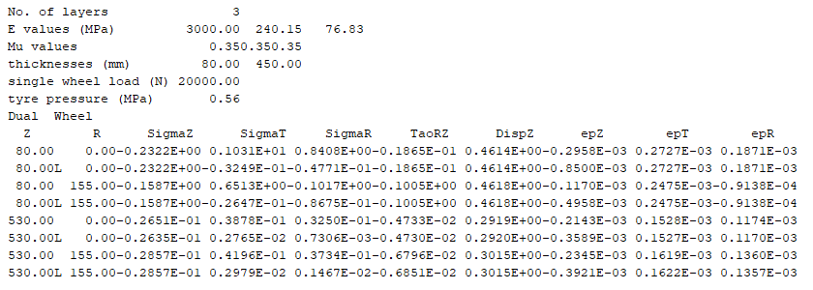
Layer:3 Elastic Modulus(Mpa) | 76.83 | Poison Ratio | 0.35
Wheel Load (N) | 20000 | Tyre Pressure(Mpa) | 0.56
Analysis Point | 4
Point:1 Depth(mm) | 110 | Radius(mm) | 0
Point:2 Depth(mm) | 110 | Radius(mm) | 155
Point:3 Depth(mm) | 560 | Radius(mm) | 0
Point:4 Depth(mm) | 560 | Radius(mm) | 155
Wheel Set | 2

